1. Title Page
[Instacart Basket Analysis]

Project Name: Instacart Basket Analysis
Date: 6/9/23
Analyst Name: Jonathan Lee

Contents:
Population Flow
Consistency checks
Wrangling steps
Column derivations
Visualizations
Recommendations

Data Citation:

The "customers" dataset was fabricated for the purp[ose of this project.
“The Instacart Online Grocery Shopping Dataset 2017”, Accessed from www.instacart.com/datasets/grocery-shopping-2017 via Kaggle on [date].

2. Population Flow
Title page

Population flow

Exclusion flag
Condition: max_order <
Obervations to be removed:
Final total count of order_products_all:

Orders_products_combined
Orders_products_merged
Orders_products_all

Total: 32404859
Total: 32434489
Total: 32404859

1.) The grey boxes in the first row of the population flow represent the original data sets as they were when you downloaded them. In the Total fields you need to add the count of the rows when you imported the data set into Jupyter.
2.) The second row of boxes (coloured) represents the data sets after you manipulated them, e.g., removed missing values and duplicates. In the Total fields you need to add the count of the rows after conducting these operations. This offers a visual oveview of how the data flows throughout the data consistency checks.
3.) The third row, where also the arrows are coloured, represents the merges you performed between the datasets. In the Total fields you need to add the count of the rows in the merged datasets, so that you end up with the final dataset (in the red box). Keep in mind the final dataset should be without exclusions (based on the exclusion flag).

3. Consistency checks
 |  |  |  | Title page
Consistency checks

Dataset | Missing values | Missing values treatment | Duplicates
orders | 206209 missing values in 'days_since_prior_order' column | Nothing was done about these missing values. A separate column could've been created to flag when a person has made their first order, but this would've created an extra column for analysis. A 0 could have been imputed for the missing values but then it would've been hard to differentiate when a customer made their first order. | None
products | 16 in 'product_name' | Created a subset without the missing values | 5 duplicates, which led to a newer subset being created called "df_prods_clean_no_dups"
orders_products_prior | None | None | None
customers | 11259 in 'first_name' | The column itself was changed into a 'string' only column, turning the NaN values into strings. This essentially eliminated the missing values. | None

4. Wrangling steps
 |  |  |  | Title page
Wrangling steps

Columns dropped | Columns renamed | Columns' type changed | Comment/Reason
df_ords: 'eval_set' |  |  | eval_set was not deemed important so it was not imported when importing columns from a list
 | df_ords: 'orders_dow' --> 'orders_day_of_week' |  | orders_dow was not intuitive so it was changed to a more appropriate name
 | df_ords: 'days_since_prior_order' changed to 'days_since_last_order' |  | days_since_prior_order was not intuitive so it was changed to a more appropriate name
 |  | df_ords: 'order_id' changed from integer --> string | order_id was changed to a string since doing calculations on an ID is meaningless
 |  | df_ords: 'user_id' changed from integer --> string | user_id was changed to a string since doing calculations on an ID is meaningless
 |  | df_ords_prods_prior: 'order_id' changed from integer --> string | order_id was changed to a string since doing calculations on an ID is meaningless. It also needed to match the 'order_id' column datatype in order to be merged
 | df_customers: 'Surnam' --> 'surname' |  | Column was named incorrectly. Changed to lower case for uniformity with the other columns
 | df_customers: 'First Name' --> 'first_name' |  | Changed for uniformity with other columns
 | df_customers: 'Gender' --> 'gender' |  | Changed for uniformity with other columns
 | df_customers: 'STATE' --> 'state' |  | Changed for uniformity with other columns
 | df_customers: 'Age' --> 'age' |  | Changed for uniformity with other columns
 | df_customers: 'n_dependents' --> 'number_of_dependants' |  | Changed to a more appropriate name
 | df_customers: 'fam_status' --> 'marital_status' |  | Changed to a more appropriate name
 |  | df_customers: 'user_id' changed from integer --> string | user_id was changed to a string since doing calculations on an ID is meaningless
 |  | df_customers: 'first_name' changed from string --> string | first_name column had some mixed data. Turning the entire column into a string again eliminated the mixed data column.

5. Column derivations
 |  |  |  |  | Title page

Column derivations and aggregations

In this tab you should add tables below that the frequences of flags/label variables that you produced after deriving them. NB: don't do this for continuous variables, only for flags.
Dataset | New column | Column/s it was derived from | Conditions | Frequencies
ords_prods_merged | price_range_loc | prices | prices > 15 --> 'High-range product' 5 < prices <= 15 --> 'Mid-range product' prices <= 5 --> 'Low-range product' | High-range product': 417678 'Mid-range product': 21860860 'Low-range product': 10126321
ords_prods_merged | busiest_day | orders_day_of_week | orders_day_of_week = 0 --> 'Busiest day' orders_day_of_week = 4 --> 'Least busy' else --> 'Regularly busy' | Busiest day': 6204182 'Least busy': 3783802 'Regularly busy': 22416875
ords_prods_merged | busiest_days | orders_day_of_week | orders_day_of_week = 0 or 1 --> 'Busiest days' orders_day_of_week = 4 or 3 --> 'Slowest days' else --> 'Regularly busy' | Busiest days': 11864412 'Slowest days': 7624336 'Regularly busy': 12916111
ords_prods_merged | busiest_period_of_day | order_hour_of_day | order_hour_of_day in [10, 11, 14, 15, 13, 12, 16, 9] --> 'Most orders' order_hour_of_day in [17, 8, 18, 19, 20, 7, 21, 22] --> 'Average orders' else --> 'Fewest orders' | Most orders': 21118071 'Average orders': 9997651 'Fewest orders': 1289137
ords_prods_merged | max_order | order_number | Grouped by 'user_id', found max of 'order_number'
ords_prods_merged | loyalty_flag | max_order | max_order > 40 --> 'Loyal customer' 10 < max_order <= 40 --> 'Regular customer' max_order <= 10 --> 'New customer' | Loyal customer': 10284093 'Regular customer': 15876776 'New customer': 6243990
ords_prods_merged | average_price | prices | Grouped by 'user_id', found mean of 'prices'
ords_prods_merged | spending_status | average_price | average_price >= 10 --> 'High Spender' average_price < 10 --> 'Low Spender' | High Spender': 31770614 'Low Spender': 634245
ords_prods_merged | median_days_since_last_order | days_since_last_order | Grouped by 'user_id', found median of 'days_since_last_order'
ords_prods_merged | customer_frequency_flag | median_days_since_last_order | median_days_since_last_order > 20 --> 'Non-frequent customer' 10 < median_days_since_last_order <= 20 --> 'Regular customer' median_days_since_last_order <= 10 --> 'Frequent customer' | Non-frequent customer': 3636442 'Regular customer': 7208564 'Frequent customer': 21559853
ords_prods_all | region | state | State in [Maine, New Hampshire, Vermont, Massachusetts, Rhode Island, Connecticut, New York, Pennsylvania, New Jersey] --> 'Northeast' State in [Wisconsin, Michigan, Illinois, Indiana, Ohio, North Dakota, South Dakota, Nebraska, Kansas, Minnesota, Iowa, Missouri] --> 'Midwest' State in [Delaware, Maryland, District of Columbia, Virginia, West Virginia, North Carolina, South Carolina, Georgia, Florida, Kentucky, Tennessee, Mississippi, Alabama, Oklahoma, Texas, Arkansas, Louisiana] --> 'South' else --> 'West' | Northeast': 5722736 'Midwest': 7597325 'South': 10791885 'West': 8292913
ords_prods_all | activity_flag | max_order | max_order < 5 --> 'Low-activity customer' max_order >= 5 --> 'High-activity customer' | Low-activity customer': 1440295 'High-activity customer': 30964564
ords_prods_all | age_profile | age | age > 55 --> 'Old Adult' 35 < age <= 55 --> 'Middle-Aged Adult' age <= 35 --> 'Young Adult' | Old Adult': 13092160 'Middle-Aged Adult': 10166280 'Young Adult': 9146419
ords_prods_all | income_profile | income | income <= 75000 --> 'Low income' 75000 < income <= 150000 --> 'Middle income' income > 150000 --> 'High income' | Low income': 10442820 'Middle income': 17911199 'High income': 4050840
ords_prods_all | pet_profile | department_id | 0 orders in crosstab between department_id[8] and user_id --> 'No pets' else --> 'Pet owner' | No pets': 28876718 'Pet owner': 3528141
ords_prods_all | diet_profile | department_id | 0 orders in crosstab between department_id[12] and user_id and also 0 orders in crosstab between department_id[16] and user_id --> 'Vegan' 0 orders in crosstab between department_id[12] and user_id only --> 'Vegetarian' else --> 'Regular' | Vegan': 383427 'Vegetarian': 8258813 'Regular': 23762619
ords_prods_all | family_profile | marital_status, number_of_dependants | marital_status != married and number_of_dependants = 0 --> 'Single Adults without Dependents' marital_status = married and number_of_dependants >= 1 --> 'Married Adults with Dependents' marital_status != married and number_of_dependants >= 1 --> 'Young Adults with family or dependents' | Single Adults with Dependents' = 8097503 'Married Adults with Dependents' = 22756753 'Young Adults with family or dependents' = 1550603

6. Visualizations
 |  | Title page

Visualisations

In this tab you should include all the visualtions from Exercises 4.9 and 4.10, alongside the questions from the project brief that they answer. Include any commentary on the relationship between different variables.

1. What are the busiest days of the week? What are the busiest hours of the day?
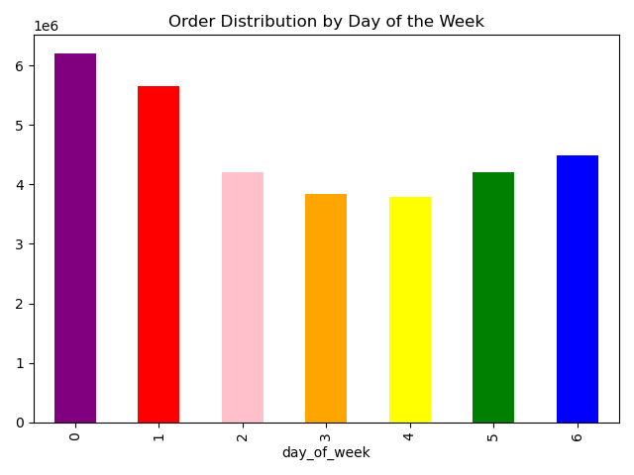

 | The numbers on the y-axis represent the number of orders (in millions).
 | The numbers on the x-axis correspond to the days of the week in the following order:

 | 0 = Saturday
 | 1 = Sunday
 | 2 = Monday
 | 3 = Tuesday
 | 4 = Wednesday
 | 5 = Thursday
 | 6 = Friday

 | According to the bar chart, the days with the most orders are Saturday, Sunday, and Friday.
 | The days with the least orders are Tuesday and Wednesday.

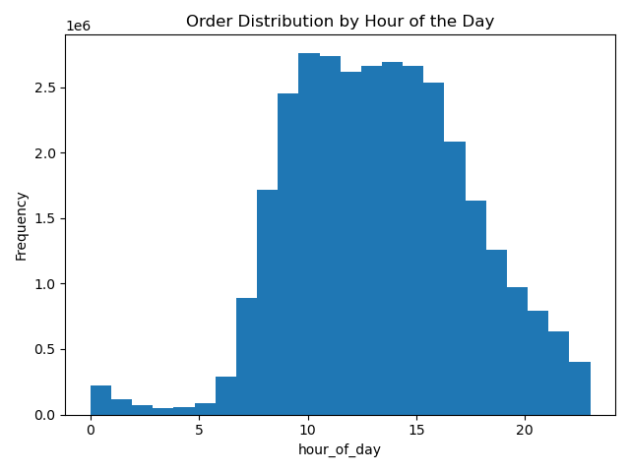

 | The numbers on the y-axis represent the number of orders (in millions).
 | The numbers on the x-axis represent the different hours of the day.

 | According to the histogram, the most popular hours for orders are between 10AM and 4PM.
 | Orders decrease after 4PM with the least popular hours between 12AM and 5AM.

2. Are there particular hours of the day where people spend the most money?
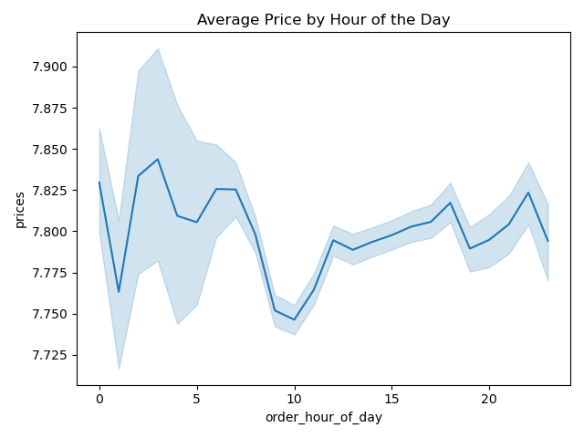

 | The y-axis represents the average prices of orders.
 | The x-axis represents the hours of the day a particular order was placed.

 | Despite the graph fluctuating a bit throughout the day, the range in average prices on the graph is not very large, differing only by 10 cents.

3. How can products be grouped into simpler price range groupings?

Products were grouped into 3 categories based on prices:
Prices less than or equal to 5 were classified as Low-range products
Prices greater than 5 but less than or equal to 15 were classified as Mid-range products
Prices greater than 15 were classified as High-range products

4. Are certain types of products more popular than others?
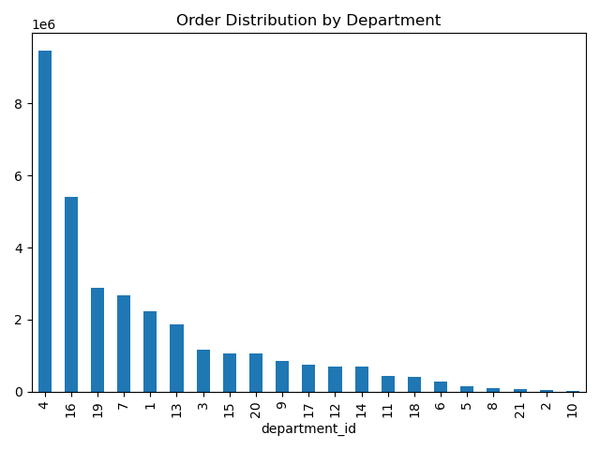
 | The y-axis represents the number of orders.
 | The x-axis represents different department_id numbers.

 | The most popular department by far was department 4 (produce).
 | The next most popular departments were department 16 (dairy/eggs), department 19 (snacks), and department 7 (beverages).
 | The least popular departments were department 10 (bulk goods), department 2 (other), and department 21 (missing).

 | Customers were more likely to shop for food products (produce, dairy, eggs, snacks) compared to other miscellaneous products.



 | The y-axis represents the number of orders
 | The x-axis represents the prices of different products, ranging from 1 to 25.

 | As can be seen from the histogram, customers often spent more on products that were below 15.

5a. What's the distribution among users in regards to their brand loyalty?
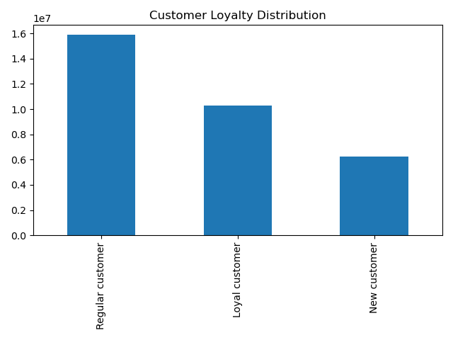

 | Customers were grouped into three categories based on their max order number.
 | Those with more than 40 orders were classified as loyal customers.
 | Those with more than 10 orders but up to 40 orders were classified as Regular customers.
 | Those with 10 orders or less were classified as New customers.
 | Regular customers made up the largest group of approximately 50% of the customer base.
 | Loyal customers made up approximately one third of the customer base.

5b. Are there differences in ordering habits based on a customer's loyalty status?
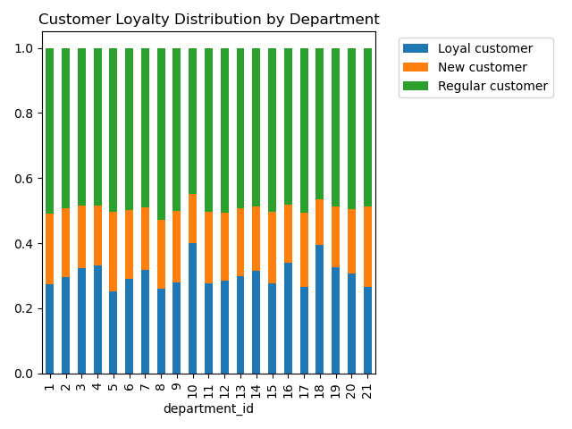
 | The stacked bar chart shows the relative percentages of customer type that purchased from each department.
 | These percentages are relatively constant throughout each department.
 | There is an small increase in loyal customers in departments 10 and 18, which correspond to bulk goods and baby products, respectively.

 | Based on the lack of a significant pattern, a customer's loyalty status did not affect their ordering habits.

5c. Are there differences in ordering habits based on a customer's region?
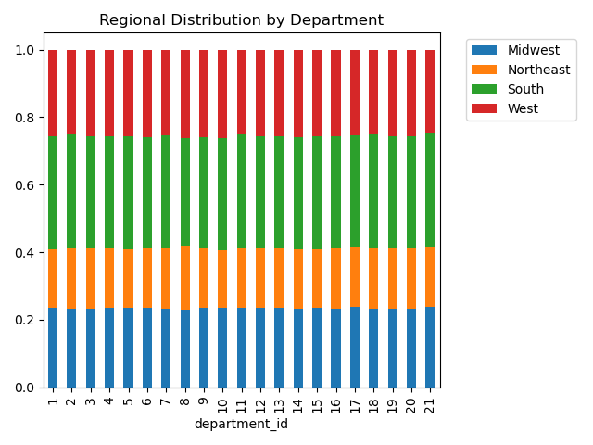

 | The stacked bar chart shows the relative percentage of different regions ordering habits by department.
 | The percentages are very consistent across the regions, with the South region making up the largest percentage of orders and the Northeast making up the lowest amount.

 | In conclusion, ordering habits did not differ between regions.

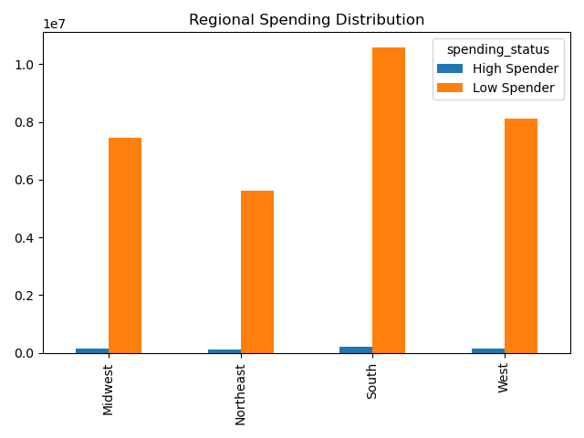
 | This bar chart on the left shows the number of High Spending and Low Spending customers per region.
 | Spending status was determined based on a customer's average price per order.
 | The proportion of high spenders to low spenders is very small regardless of region.

 | While the number of low spenders does look like it varies by region, this is due to the fact
 | that these regions have different customer sizes, with the South and West having the most amount of customers.

5d. Is there a connection between age and family status in terms of ordering habits?
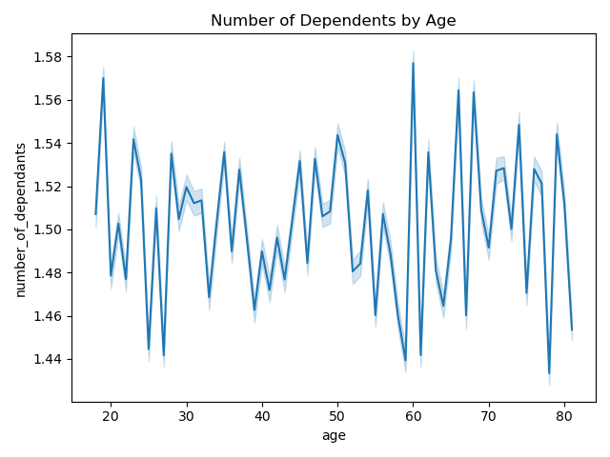

 | The line plot on the left shows the relationship between a customer's age and number of dependents.
 | Due to the large fluctuation in the graph, there is no discernible correlation between these two variables.

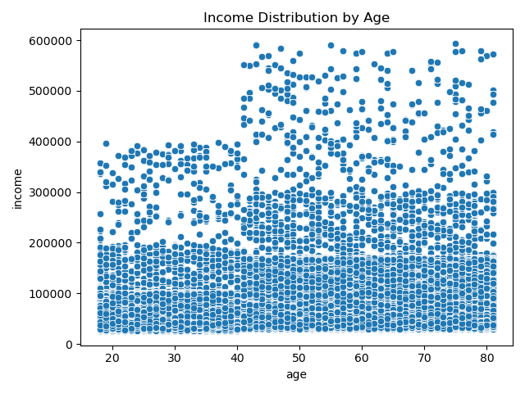

 | The scatterplot shows the relationship between a customer's age and their income.
 | There is no direct relationship between the two variables.
 | There is a significant jump in income after the 40 year age mark, with some customers make over 400,000 per year and even up to 600,000.
 | In addition, there are notably more customers in the 200,000 to 300,000 range in the 40 to 80 age group than there were in the 20 to 40 age group.
 | However, this scatterplot is very dense and even thought there are a notable amount of those with very high incomes, they can be considered as outliers.
 | Based on the graph, income generally increases as age increases

5e. What different classifications does the demographic information suggest? Age? Income? Certain Types of goods? Family status?
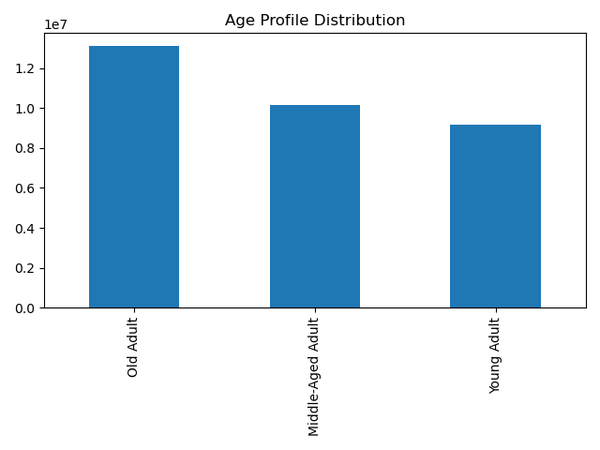
 | The graph on the left shows the number of customers in each age profile group
 | The largest group is Old Adults (adults over the age of 55).
 | Middle-Aged Adults (Adults over 35 and up to 55) make up the second largest group
 | The smallest group is made of Young Adults (those under the age of 35).

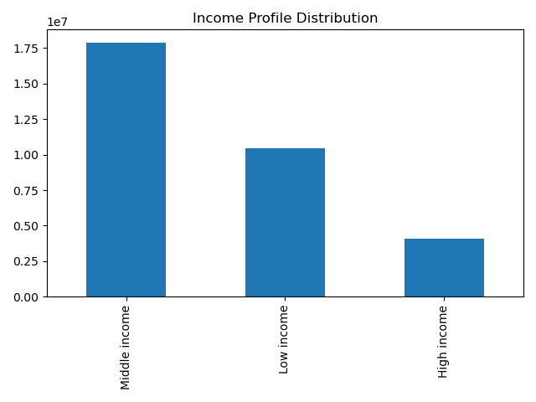
 | This bar chart shows the distribution of income groups among the customers.
 | Middle income customers make up the largest group, followed by low income and high incomer customers.

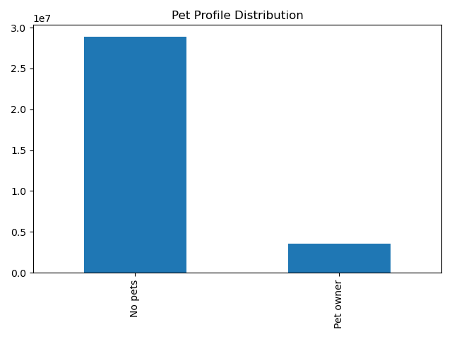
 | The bar chart shows the number of customers that were classified as pet owners and those without pets.
 | There are significant more customers that do not own any pets compared to those that do.

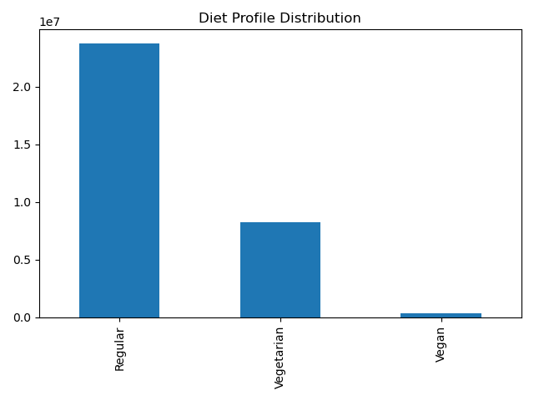
 | This bar chart shows the amount of customers that were classified as Vegans, Vegetarians, or Regular customers.
 | Vegans make up a very small portion of the customer base.
 | Vegetarians are a significant portion of the customer base, but are only around one third as much as regular customers that don't have any dietary preferences.

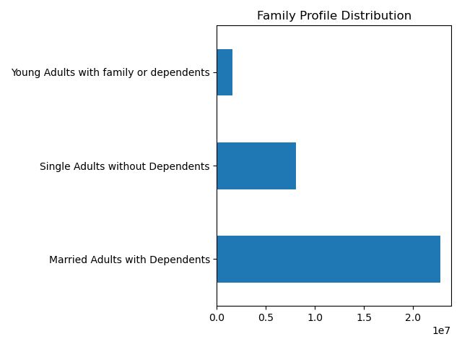
 | This bar chart classified customers based into a family profile based on martial status and number of dependents.
 | Married adults with dependents make up the largest amount of customers.
 | The smallest group is made up of Young Adults that live with family or dependents.

5f. What differences can you find in ordering habits of different customer profiles?
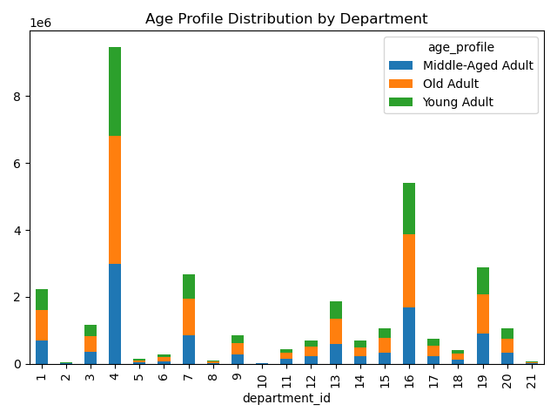
 | The stacked bar chart shows the amount of customers in different age groups by department orders.

 | The most amount of orders came from departments 4 (produce), 16(dairy/eggs), and 19(snacks).
 | However, the relative percentages of each age group are similar throughout each department.

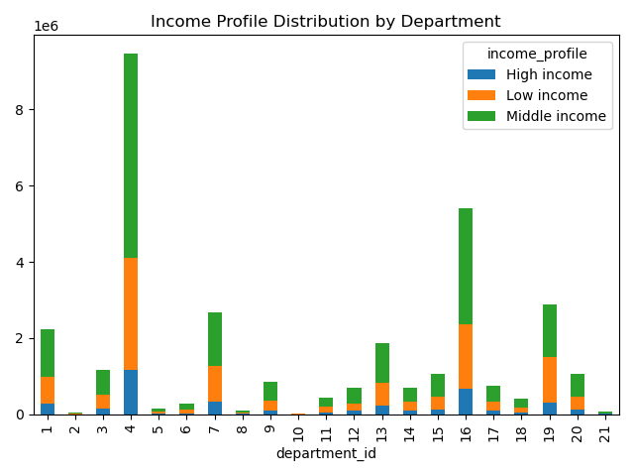
 | The stacked bar chart shows the amount of customers in different income groups by department orders.

 | The relative percentages are mostly the same except for slight increases and decreases in certain departments.
 | High income customers made up more of department 5 (alcohol) and department 8 (pets).
 | Middle income customers preferred department 12 (meat and seafood) and department 18 (baby products)
 | Low income customers focused the most on department 10 (bulk goods) and department 19 (snacks).

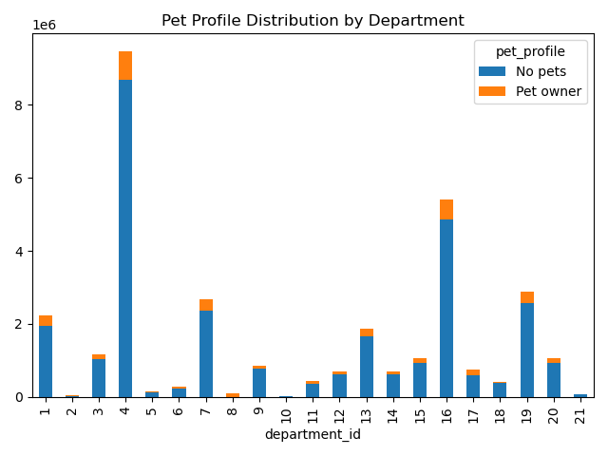
 | The stacked bar chart shows the amount of customers with different pet profiles by department orders.

 | Relative percentages were most constant with a few exceptions.
 | Pet-owners were the only ones who bought products from department 8 (pet goods).
 | Pet-owners made up more of department 5 ( alcohol) and department 17 (household products).
 | Non-pet owners made up more of department 4 (produce) and department 10 (bulk goods).

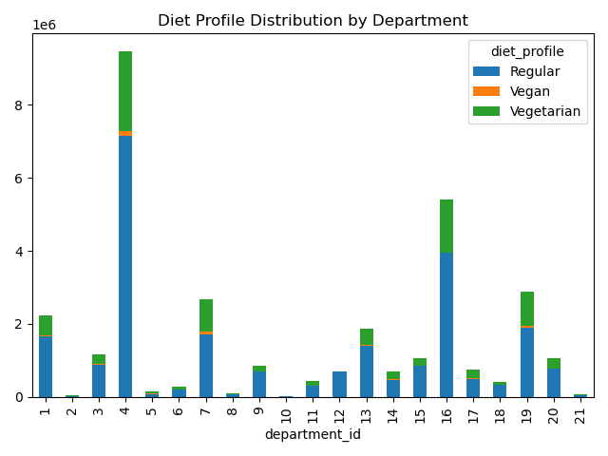
 | The stacked bar chart shows the amount of customers with different diet profiles by department orders.

 | Department 12 (meat and seafood) was only composed of customers with no dietary restrictions.
 | Department 16 (dairy and eggs) was mostly composed customers with no restrictions, but also had some vegetarians. It notably had no vegans.

 | Regular customers had higher percentages than usual in department 12 (meat and seafood), department 18 (baby products), and department 9 (dry goods pasta).
 | Vegetarians had highest percentages than usual in department 5 (alcohol) and department 7 (beverages).
 | Vegans has similar preferences to vegetarians and also spent on department 17 (household products).

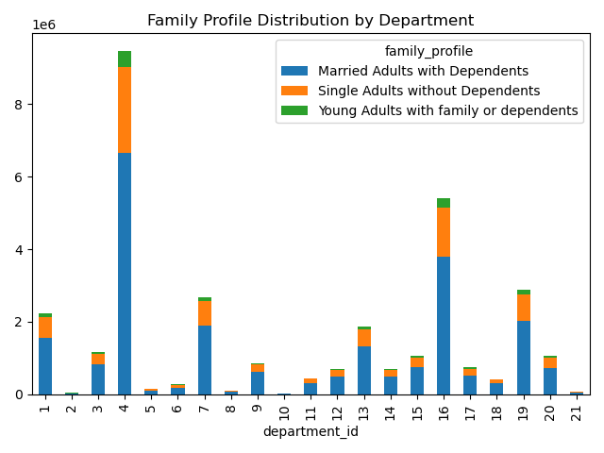
 | The stacked bar chart shows the amount of customers with different family profiles by department orders.

 | Married adults with dependents spent slightly more on department 10 (bulk goods) and department 17 (household products)
 | Single Adults without dependents preferred to spend on department 5 (alcohol) and department 2 (other goods)
 | Young Adults living with family or dependents spent slightly more on department 5 as well and also department 8 (pets).

Other Visualizations:
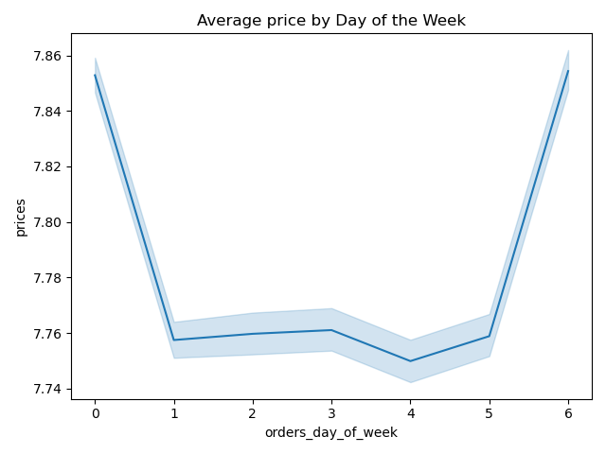
 | This graph shows the relationship between average price of an order and the day a particular order was placed.

 | While it does seem that average order price is highest on Fridays and Saturdays, the increase in price is only 10 cents.
 | Therefore, there is no discernible relationship between average price and day of the week.

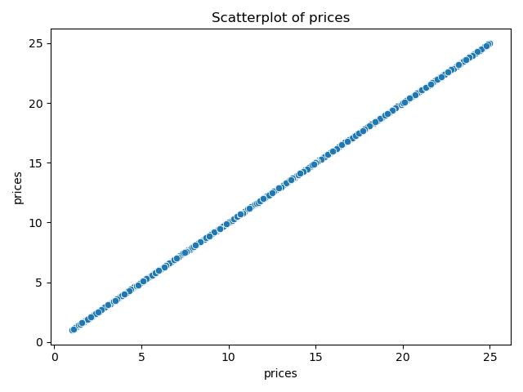

 | This graph was used during analysis to look for outliers in the price column.
 | The original graph indicated there were outlier prices of 14999 and 99999, which were removed.
 | After removal of the outliers, this graph was generated which shows that prices range from 1 to 25.

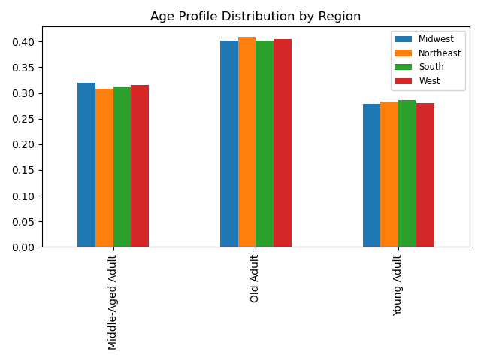
 | This bar chart shows the relative percentages of age groups within each region.

 | There is not a significant difference in age groups across the regions.

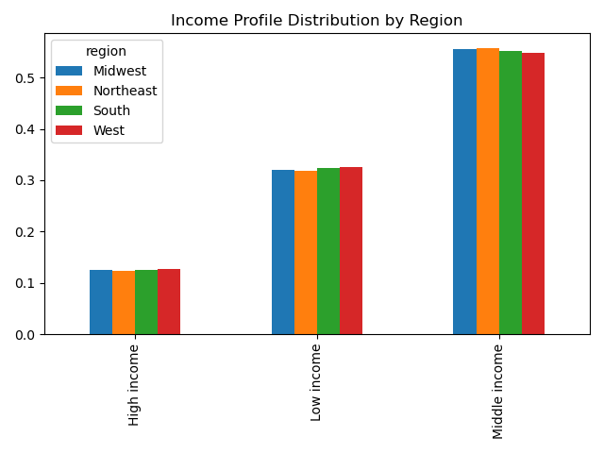
 | This bar chart shows the relative percentages of income groups within each region.

 | There is not a significant difference in income groups across the regions.

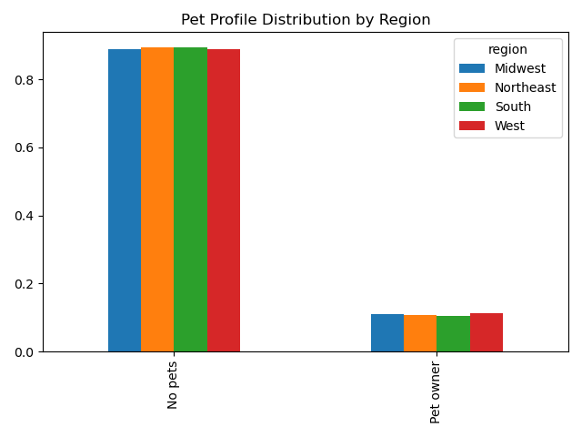
 | This bar chart shows the relative percentages of customers' pet profiles within each region.

 | There is not a significant difference in pet profiles across the regions.

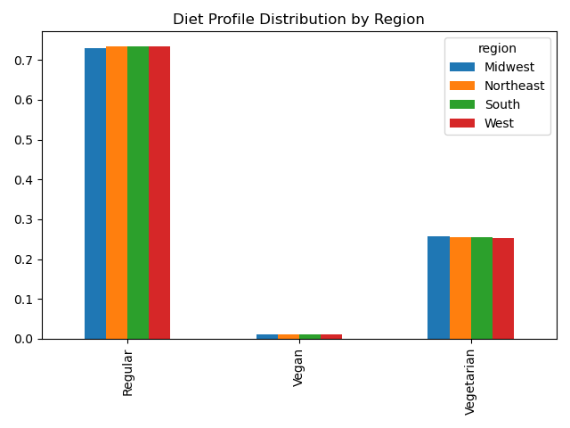
 | This bar chart shows the relative percentages of customers' diet profiles within each region.

 | There is not a significant difference in diet profiles across the regions.

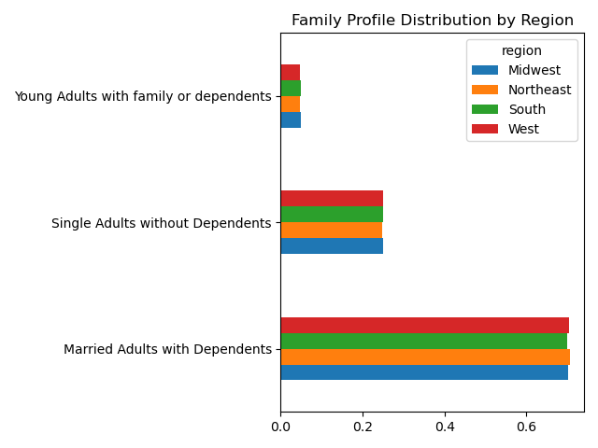
 | This bar chart shows the relative percentages of customers' family profiles within each region.

 | There is not a significant difference in family profiles across the regions.

7. Recommendations
 |  |  | Title page

Recommendations

In this tab you should include any recommendations you would made to Instcart in terms of their marketing strategy based on the questions posed in the brief. Every key question has been covered in the Tasks of the Exercises - here you need to add an item - a visualisation or table/crosstable that is showing the answer in the data, acompanied by a comment from you. Please, list the questions below and add the answer underneath.

Question | Answer | Visualizations |  | Recommendations:
Key Question 1
What are the busiest days of the week and hours of the day? | The busiest days of the week are Saturday, Sunday, and Friday. |  |  | Since the busiest days are the weekend and Friday, Instacart should include more ads during those time periods.
 | The busiest hours of the day are between 10AM and 4PM.
 |  |  |  | Similarly, Instacart should promote more ads during peak hours (10AM and 4PM) but also slightly earlier in the day (between 8AM - 10AM) to encourage customers to head to Instacart.

 |  |  |  | Additionally, it may be worthwhile to promote sales or deals during the weekend to incentivize even more customers to go during the weekend.

Question | Answer | Visualizations |  | Recommendations
Key Question 2:
What particular times of the day do people spend the most money? | There is no significant correlation between average price and time of day. |  |  | Instacart could run more ads during peak hours (from 4AM to 8AM) but it may not be worthwhile since the range of the average price is only 10 cents.

Question | Answer | Visualizations |  | Recommendations
Key Question 3:
How can Instacart use simpler price range groupings? | Products can be grouped by price between the following ranges: |  |  | Instacart can promote more Mid-range products since they comprise over 50% of product sales. Low-range products may also be worth promoting since they make up around a third of product sales.
 | Products that cost at least 5 can be labeled as "Low-range products"
 | Products that cost greater than 5 and up to 15 can be labeled as "Mid-range products"
 | Products that cost more than 15 can be labeled as "High-range products"

Question | Answer | Visualizations |  | Recommendations
Key Question 4:
Are certain types of products more popular than others? | Food items are much more popular than others types of products. |  |  | Focus on food products (produce, dairy/eggs, snacks) over other types of products. Increase ads for these products and have bargain sales to increase revenue even more.
 | The most popular product is produce (department 4).
 | Other popular departments include dairy/eggs (16), snacks (19), and beverages (7).
 | The least popular departments are those that sell miscelleanous items like bulk good (department 10) and other (department 2.

Question | Answer | Visualizations |  | Recommendations
Key Question 5a:
What's the distribution among users in regards to their brand loyalty? | Regular customers made up the largest group of approximately 50% of the customer base. |  |  | Create a customer loyalty program to increase the number of regular and loyal customers. New customers still make up a significant portion of the customer base so retaining them as regular customers would still be worthwhile.
 | Loyal customers made up approximately one third of the customer base.
 | New customers made up approximately one fifth of the customer base.

Question | Answer | Visualizations |  | Recommendations
Key Question 5b:
Are there difference in ordering habits based on customer loyalty? | A customer's loyalty status did not affect their ordering habits. |  |  | There is no discernible pattern between loyalty and department preferences. However, further analysis could be conducted to create other customer profiles that build upon loyalty status.
 | There is an slight increase in loyal customers percentage in departments 10 and 18, which correspond to bulk goods and baby products, respectively. |  |  | For example, loyal customers may be made up of older customers with more income, so relevent ads targetting those customers could be used.

Question | Answer | Visualizations |  | Recommendations
Key Question 5c:
Are there differences in ordering habits based on a customer's region? | There is no observable correlation between a customer's region and their ordering habits. |  |  | Since geographical regions do not affect ordering habits, Instacart should conduct analysis on other potential factors.
 | The percentages of each region in each department are very similar to each other.

Question | Answer | Visualizations |  | Recommendations
Key Question 5d:
Is there a connection between age and family status in terms of ordering habits? | There is no observable correlation between a customer's age and family status. Number of dependents generally decreases up until age 40, but the fluctuation of the graph indicates the correlation is not strong enough. |  |  | Since age and family status are not correlated with each other, further analysis should be conducted to find variables that are related and could possibly impact ordering habits.

Question | Answer | Visualizations |  | Recommendations
Key Question 5d:
Is there a connection between age and family status in terms of ordering habits? | There is no observable correlation between a customer's age and family status. Number of dependents generally decreases up until age 40, but the fluctuation of the graph indicates the correlation is not strong enough. |  |  | Since age and family status are not correlated with each other, further analysis should be conducted to find variables that are related and could possibly impact ordering habits.

Question | Answer | Visualizations |  | Recommendations
Key Question 5e:
What different classifications does the demographic information suggest? Age? Income? Certain Types of goods? Family status? | Customers can be classified into different age groups, income groups, whether or not they have pets, what type of diet they have, and family groups. |  |  | Instacart could use targeted ads to focus on certain customer groups.

 | Customers can be generally categorized into 3 age groups: Old Adults, Middle-Aged Adults, and Young-Adults |  |  | Certain customer groups may be more beneficial to target based on size.

 | Customers can be generally categorized into 3 groups based on income: Low income, Middle Income, and High Income. |  |  | For example, there are much less people that own pets than those who do not. It may be more profitable for Instacart to forgo pet products altogether in order to focus on more profitable departments like produce.

 | Customers can be classified into two pet profile groups: Pet-owners and Non Pet-owners |  |  | Vegans make up much less of the customer base than Vegetarians and Regular customers. In addition, they do not buy from department 16 (dairy and eggs), which is one of the most popular departments based on sale numbers. It would be much more profitable to focus on Regular customer and Vegetarian product preferences.

 | Customers can be classified into 3 groups based on a diet: Regular, Vegetarians, and Vegans. |  |  | With regards to family profiles, married adults with dependents (presumably children) make up the largest group of customers. Instacart should target ads towards this group in particular, possibly promoting products that family households would need like produce, bulk goods, and household products.

 | Customers can be classified into 3 groups based on marital status and number of dependents: Married Adults with Dependents, Single Adults without Dependents, and Young Adults with family or dependents |  |  | Looking at customer group sizes isn't enough, however, since it really only shows the number of customers in each group. Further analysis showing ordering habits of these groups is necessary to see where ads should be targeted.

Question | Answer | Visualizations |  | Recommendations
Key Question 5f:
What differences can you find in ordering habits of different customer profiles? | Based on Age Profile, the relative percentages of each age group is consistent throughout all departments. Older adults make up the largest percentage, then middle-age adults and followed closely by Young Adults. |  |  | Since ordering habits didn't really change significantly based on age profile, ads should instead focus on the most successful departments (produce, dairy/eggs, and snacks) for all customers regardless of age profile.

 | Ordering habits vary more based on income group. |  |  | Ads should mainly be focused on customers with low and middle incomes since they comprise most of the orders. Low income customers should receive ads for bulk goods and snacks while middle income customers should receive ads for meat/seafood and baby products. High income customers can receive ads for alcohol and pets.
 | High income customers made up more of department 5 (alcohol) and department 8 (pets).
 | Middle income customers preferred department 12 (meat and seafood) and department 18 (baby products). |  |  | Pet-owners should be the only customers receiving pet related ads since non-pet owners never buy any pet products. Ads for personal care products could also be geared towards them.
 | Low income customers focused the most on department 10 (bulk goods) and department 19 (snacks).
 |  |  |  | Ads for alcohol should be used to target Vegetarians and Vegans, even if they make up a smaller percentage of the customer base. It's still important to target these customer groups with food based ads since food products are the most popular type of order for Instacart. Meat and seafood ads should only be sent to customers who are not vegetarians or vegans.
 | Ordering habits vary based on pet group.
 | As can be seen, the vast majority of orders in every department come Non pet-owners except for department 8 which has pet products. |  |  | Ads for bulk goods and household products should be sent towards Married Adults with dependents since they most likely have family households to take care of. Ads for alcohol can be sent to Single Adults and Young Adults since they prefer to spend in that department.
 | Pet owners preferred to order from department 8 (pet products), department 5 (alcohol), and department 11 (personal care products)

 | The majority of sales based on diet profiles came from Regular Customers since they had the largest customer count.
 | Vegans preferred to buy alcohol (department 5), household products (department 17), and beverages (department 7).
 | Vegetarians preffered to buy alcohol, beverages, and bulk goods (department 10).
 | Regular customers made the highest percentages in department 12 (meat and seafood), department 18 (baby products) and department 9 (dry goods pasta).

 | Based on family profile, the majority of sales came from Married Adults with Dependents.
 | Married Adults preferred to spend in department 10 (bulk goods) and department 17 (household products).
 | Single Adults without dependents preferred to spend in department 5 (alcohol) and department 2 (other goods).
 | Young Adults living with family or dependents spent slightly more in department 5 (alcohol) and department 8 (pets).

